Sheet1
 |  |  |  | 115,000
Photo | Description | Pack size (pcs) | Packs | Total Units | $ Cost per piece | Total Cost | Manufacture
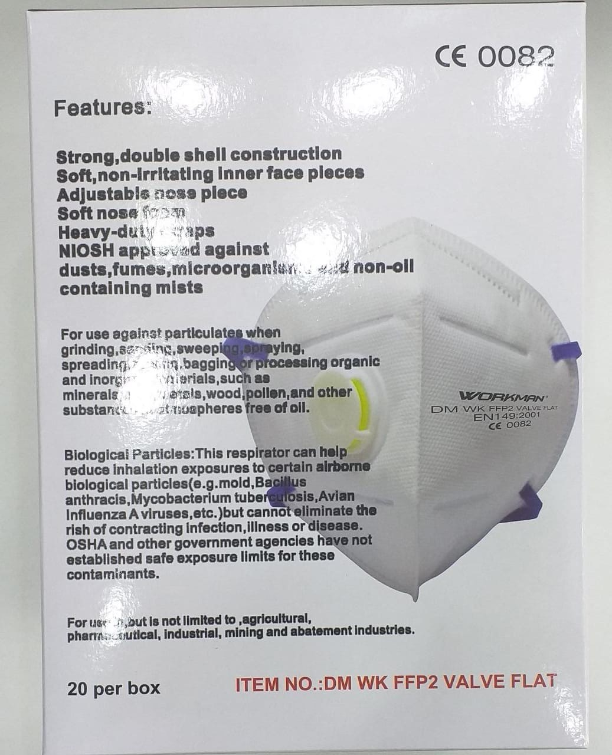 | FFP2 N95 Mask with Valve (EN149:2001) CE Compliant & NIOSH standard | 20 | 1,000 | 20,000 | 2.25 | 45,000 | CHN
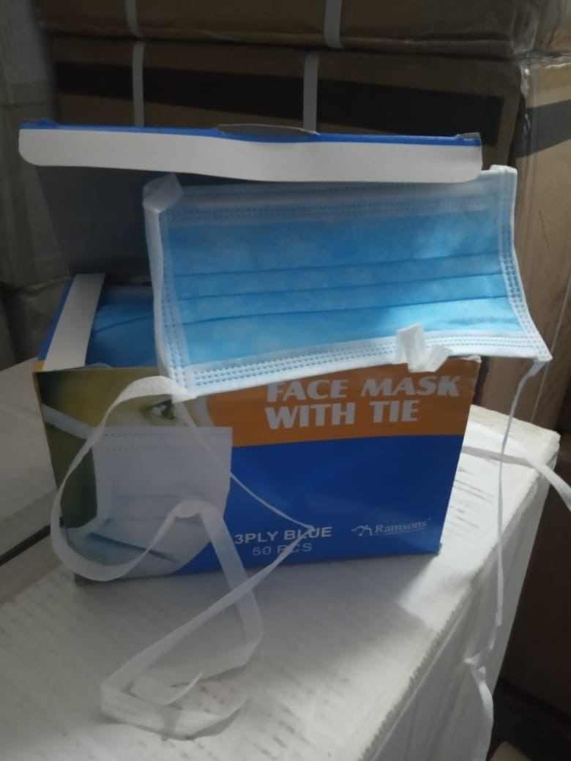 | Tie back Standard Surgical 3-ply masks - NIOSH standard | 50 | 1,000 | 50,000 | 0.32 | 16,000 | CHN
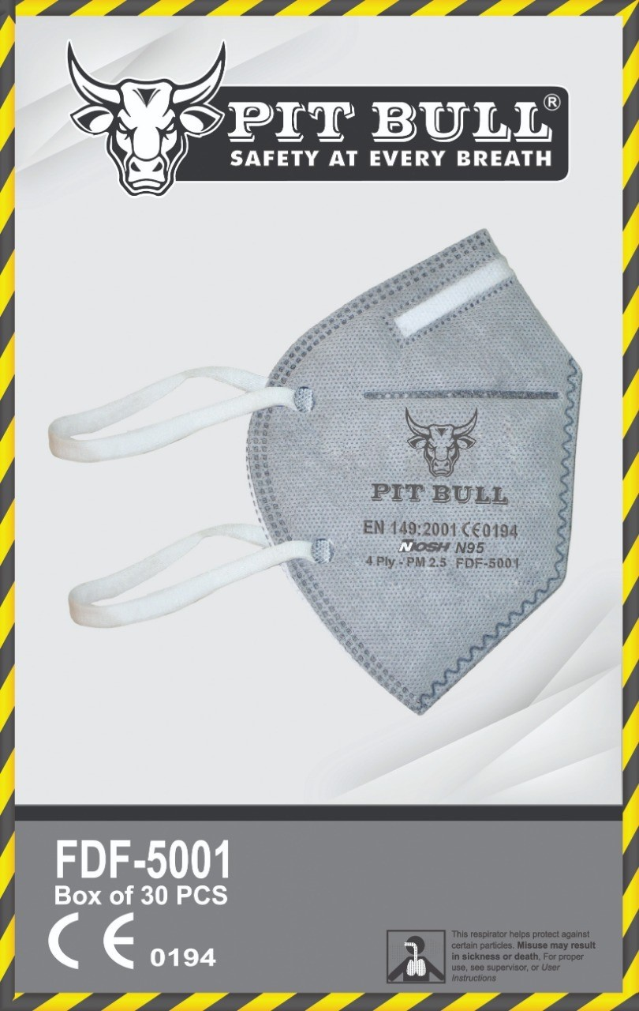 | N95 Mask EN149:2001 & CE0194 4-ply mask | 30 | 1,000 | 30,000 | 2.25 | 67,500 | UAE
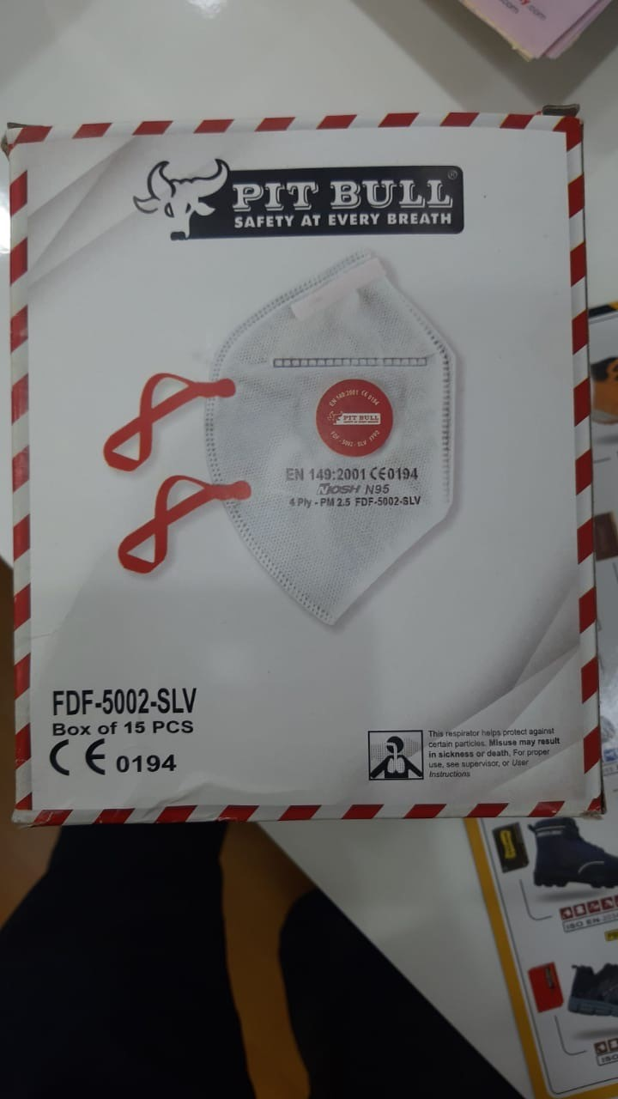 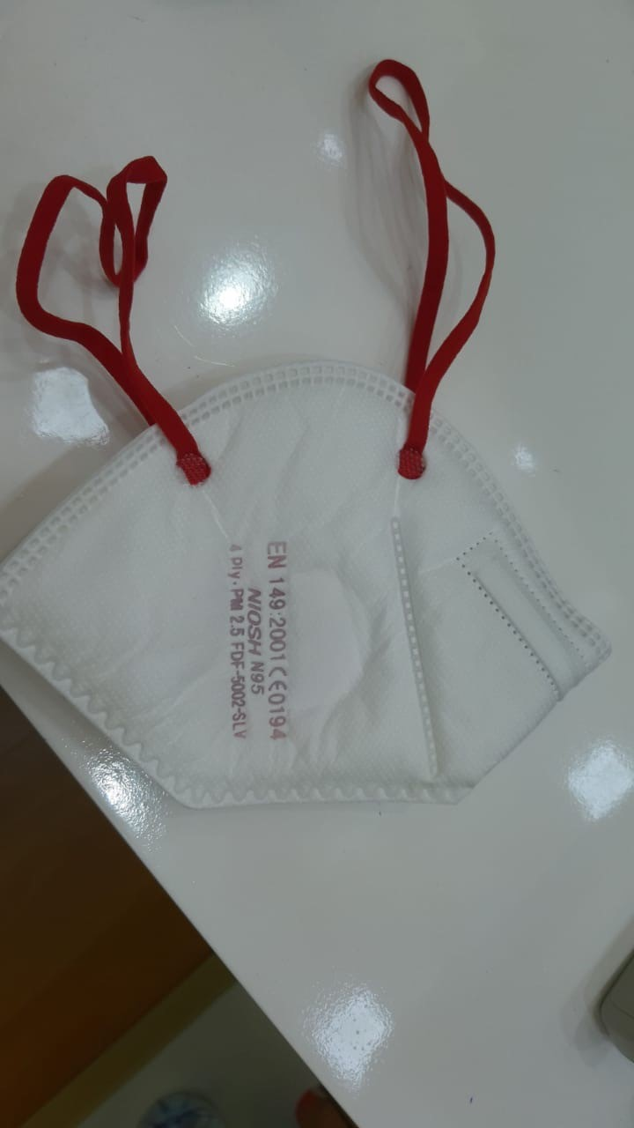 | N95 Mask EN149:2001 & CE0194 4-ply mask - NIOSH Standard | 15 | 1,000 | 15,000 | 2.25 | 33,750 | UAE
 |  |  |  | -
 |  |  |  | -

